Riskometer
Scheme Name | Product Labelling | Riskometer(s) | Benchmark Riskometer(s)
 | This product is suitable for investors who are seeking*
CANARA ROBECO FLEXICAP FUND (CRFCF) | · Capital appreciation over long term. · Investment in equity and equity related instruments across large cap, mid cap, small cap stocks
CANARA ROBECO BLUE CHIP EQUITY FUND (CRBCEF) | · Capital appreciation over long term · Investing predominantly in equities and equity related instruments of large cap companies
CANARA ROBECO EMERGING EQUITIES (CREE) | · Capital appreciation over long term · Investing predominantly in equities and equity related instruments of both large cap and mid cap companies
CANARA ROBECO SMALL CAP FUND (CRSCF) | · Capital appreciation over long term · Investing predominantly in equities and equity related instruments of small cap companies
CANARA ROBECO INFRASTRUCTURE (CRI) | · Capital appreciation over long term · Investing in equities and equity related instruments of companies following the Infrastructure Theme
CANARA ROBECO CONSUMER TRENDS FUND (CRCTF) | · Capital appreciation over long term · Investing in equity and equity related securities of companies following the Consumption and Financial Theme
CANARA ROBECO ELSS TAX SAVER (CRETS) | · Capital appreciation over long term · Investment in equity and equity related securities with a statutory lock in of 3 years and tax benefit
CANARA ROBECO FOCUSED EQUITY FUND (CRFEF) | · Long term capital appreciation · Investment in equity and equity related securities across market capitalisation in maximum 30 stocks
CANARA ROBECO VALUE FUND (CRVF) | · Long term capital growth · Investments in equity and equity related instruments by following value investing strategy
CANARA ROBECO MID CAP FUND (CRMCF) | · Long term capital appreciation · Investments predominantly in equity and equity related instruments of mid cap companies
CANARA ROBECO MULTI CAP FUND (CRMUCF) | · Long term capital appreciation · Investments in equity and equity related instruments across large cap, mid cap, small cap stocks
CANARA ROBECO MANUFACTURING FUND (CRMTF) | · Long term capital appreciation · Investments in equity and equity related instruments of Companies engaged in the Manufacturing theme
CANARA ROBECO CONSERVATIVE HYBRID FUND (CRCHF) | · Income / Capital appreciation over medium term to long term · Investment predominantly in debt and money market instruments and small portion in equity |  | 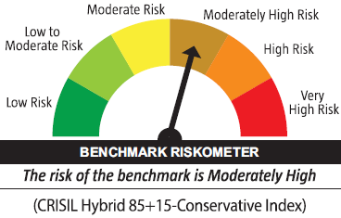
CANARA ROBECO EQUITY HYBRID FUND (CREHF) | · Income/capital appreciation over long term · Investment predominantly in equity and equity related instruments and a small portion in debt and money market instruments |  | 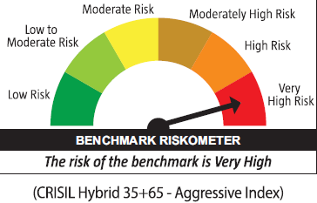
CANARA ROBECO BALANCED ADVANTAGE FUND | · Long term capital appreciation with income generation · Investment in a dynamically managed portfolio of equity & equity related instruments and debt & money market securities |  | 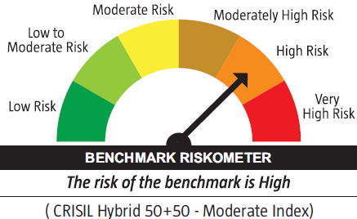
CANARA ROBECO OVERNIGHT FUND (CROF) | · Regular income over short term that may be in line with the overnight call rates · Investment in overnight securities.
CANARA ROBECO LIQUID FUND (CRL) | · Income/ Capital appreciation while maintaining a level of high liquidity · Investment in a mix of Debt and Money Market instruments with maturity of upto 91 days only
CANARA ROBECO ULTRA SHORT TERM FUND (CRUSTF) | · Income/ Capital appreciation over ultra-short term through a low risk strategy · Investment in a mix of Debt and Money Market instruments such that the Macaulay duration of the portfolio is between 3 months and 6 months
CANARA ROBECO SAVINGS FUND (CRSF) | · Income / Capital appreciation through a low duration strategy · Investment in debt & money market instruments such that the Macaulay duration of the portfolio is between 6 months and 12 months.
CANARA ROBECO SHORT DURATION FUND (CRSDF) | · Income / capital appreciation over short term · Investment in debt & money market instruments such that the Macaulay duration of the portfolio is between 1 year and 3 years
CANARA ROBECO INCOME FUND (CRINC) | · Income / Capital appreciation over Medium to Long term · Investment in debt & money market instruments such that the Macaulay duration of the portfolio is between 4 years and 7 years (Portfolio Macaulay duration under anticipated adverse situation is 1 year to 7 years)
CANARA ROBECO DYNAMIC BOND FUND (CRDBF) | · Income/ Capital appreciation by dynamically managing duration · Investment in Debt and Money Market securities across duration
CANARA ROBECO CORPORATE BOND FUND (CRCBF) | · Income / capital appreciation through a low credit risk strategy · Investment in a portfolio constituted predominantly of AA+ and above rated corporate bonds
CANARA ROBECO GILT FUND (CRGILT) | · Risk free return (except interest rate risk) and long term capital appreciation · Investment in government securities across maturity
CANARA ROBECO BANKING AND PSU DEBT FUND (CRBPDF) | · Income/Capital appreciation over short to medium term · Investment in debt and money market instruments issued by Banks, Public Sector Undertakings (PSUs), Public Financial Institutions (PFIs) and Municipal Bonds |  | 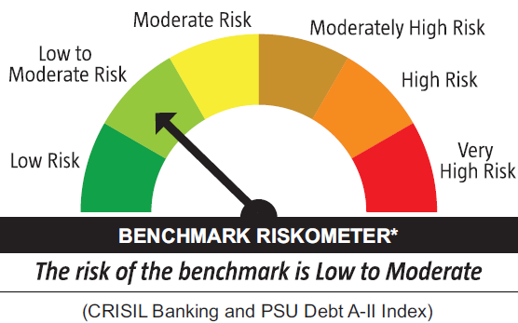

*Investors should consult their financial advisers if in doubt about whether the product is suitable for them

 |  |  | BENCHMARK RISKOMETER*

