TA
 | CANARA ROBECO ULTRA SHORT TERM FUND

 | Half Yearly Portfolio Statement as on September 30, 2024
 | Name of the Instrument | ISIN | Industry / Rating | Quantity | Market/Fair Value (Rs. in Lacs) | % to Net Assets | Yield % | Scheme Risk-o-meter Level- September'24 | Benchmark Risk-o-meter Level- September'24 | Scheme Risk-o-meter Level- August'24 | Potential Risk Class (PRC) Matrix
 | Debt Instruments |  |  |  |  |  |  | 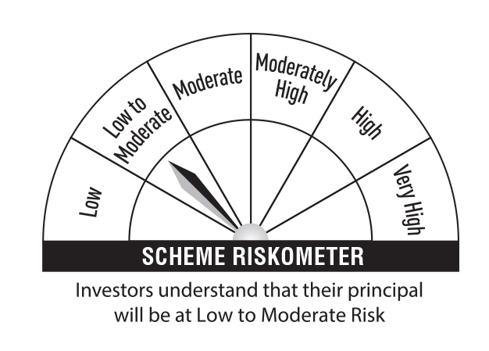 | 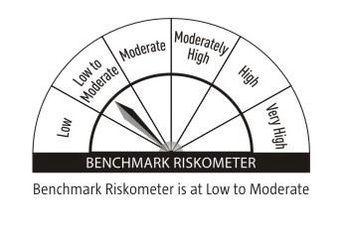 |  | Credit Risk → | Relatively Low (Class A) | Moderate (Class B) | Relatively High (Class C)
 | (a) Listed / awaiting listing on Stock Exchanges |  |  |  |  |  |  |  |  |  | Interest Rate Risk ↓
 | 9.00% Reliance Industries Ltd (21/01/2025) ** | INE110L08060 | CRISIL AAA | 250 | 2,508.86 | 3.65 | 7.36 |  |  |  | Relatively Low (Class I) |  | B-I
 | 7.8983% SUNDARAM FINANCE LTD 18-DEC-24 ** | INE660A07RJ5 | ICRA AAA | 250 | 2,498.80 | 3.64 | 7.65
 | 7.90% Bajaj Finance Ltd (17/11/2025) | INE296A07SF4 | CRISIL AAA | 250 | 2,497.06 | 3.63 | 7.98 |  |  |  | Moderate (Class II)
 | 7.17% Power Finance Corporation Ltd (22/05/2025) ** | INE134E08KT5 | CRISIL AAA | 250 | 2,489.21 | 3.62 | 7.68
 | 5.5315% LIC HOUSING FINANCE LTD 20-DEC-24 ** | INE115A07OX8 | CRISIL AAA | 250 | 2,488.43 | 3.62 | 7.37 |  |  |  | Relatively High (Class III)
 | 6.39% Indian Oil Corporation Ltd (06/03/2025) ** | INE242A08452 | CRISIL AAA | 250 | 2,486.90 | 3.62 | 7.39
 | 5.23% National Bank For Agriculture & Rural Development (31/01/2025) ** | INE261F08DI1 | CRISIL AAA | 250 | 2,479.55 | 3.61 | 7.49 |  | Benchmark: CRISIL Ultra Short Duration Debt A-I Index
 | 6.25% LIC Housing Finance Ltd (20/06/2025) ** | INE115A07PU1 | CRISIL AAA | 250 | 2,472.35 | 3.60 | 7.74
 | 5.70% National Bank For Agriculture & Rural Development (31/07/2025) ** | INE261F08DK7 | CRISIL AAA | 250 | 2,459.63 | 3.58 | 7.70
 | 7.8925% BAJAJ FINANCE LTD 10-JUN-25 | INE296A07SK4 | CRISIL AAA | 50 | 498.86 | 0.73 | 8.04
 | Sub Total |  |  |  | 22,879.65 | 33.30
 | Total |  |  |  | 22,879.65 | 33.30
 | Money Market Instruments
 | Certificate of Deposit
 | Punjab National Bank (06/02/2025) ** # | INE160A16OI6 | CARE A1+ | 1,000 | 4,874.36 | 7.09 | 7.35
 | HDFC Bank Ltd (06/12/2024) # | INE040A16EH3 | CARE A1+ | 700 | 3,454.71 | 5.03 | 7.25
 | Kotak Mahindra Bank Ltd (24/07/2025) ** # | INE237A161Y7 | CRISIL A1+ | 600 | 2,827.67 | 4.12 | 7.52
 | Small Industries Development Bank of India (18/12/2024) ** # | INE556F16AN3 | CARE A1+ | 500 | 2,462.33 | 3.58 | 7.16
 | Kotak Mahindra Bank Ltd (03/01/2025) ** # | INE237A162V1 | CRISIL A1+ | 500 | 2,453.76 | 3.57 | 7.32
 | Axis Bank Ltd (30/01/2025) ** # | INE238AD6645 | CRISIL A1+ | 500 | 2,440.93 | 3.55 | 7.30
 | Punjab National Bank (31/01/2025) # | INE160A16OH8 | ICRA A1+ | 500 | 2,440.29 | 3.55 | 7.32
 | HDFC Bank Ltd (02/06/2025) ** # | INE040A16FE7 | CARE A1+ | 500 | 2,380.19 | 3.46 | 7.53
 | ICICI Bank Ltd (27/06/2025) ** # | INE090AD6162 | CRISIL A1+ | 500 | 2,369.55 | 3.45 | 7.47
 | Axis Bank Ltd (05/09/2025) ** # | INE238AD6892 | CRISIL A1+ | 500 | 2,335.17 | 3.40 | 7.60
 | ICICI Bank Ltd (06/12/2024) ** # | INE090AD6105 | ICRA A1+ | 100 | 493.62 | 0.72 | 7.15
 | Sub Total |  |  |  | 28,532.58 | 41.52
 | Commercial Paper
 | Axis Securities Ltd (06/12/2024) ** | INE110O14DX9 | CRISIL A1+ | 1,000 | 4,932.18 | 7.18 | 7.61
 | ICICI Securities Ltd (06/12/2024) ** | INE763G14RZ6 | CRISIL A1+ | 600 | 2,959.78 | 4.31 | 7.51
 | Sub Total |  |  |  | 7,891.96 | 11.49
 | Treasury Bill
 | 364 DTB (05-DEC-2024) | IN002023Z380 | Sovereign | 500,000 | 494.37 | 0.72 | 6.40
 | Sub Total |  |  |  | 494.37 | 0.72
 | Total |  |  |  | 36,918.91 | 53.73
 | Government Bonds
 | GOI FRB 2028 (04-OCT-2028) | IN0020210160 | Sovereign | 1,000,000 | 1,005.09 | 1.46 | 7.57
 | Total |  |  |  | 1,005.09 | 1.46
 | Alternative Investment Fund
 | CORPORATE DEBT MARKET DEVELOPMENT FUND CLASS A2 | INF0RQ622028 | Alternative Investment Fund | 1,529 | 159.11 | 0.23 | 6.62
 | Total |  |  |  | 159.11 | 0.23
 | TREPS
 | TREPS |  |  |  | 7,091.50 | 10.32
 | Sub Total |  |  |  | 7,091.50 | 10.32
 | Total |  |  |  | 7,091.50 | 10.32
 | Net Receivables / (Payables) |  |  |  | 659.16 | 0.96
 | Grand Total |  |  |  | 68,713.42 | 100.00

 | ** Non Traded Security
 | # Unlisted Security

 | Modified Duration | 0.37

 | Annualised Portfolio YTM | 7.38%

 | Macaulay Duration | 0.40

 | Average Maturity Yrs | 0.45

 | Notes
 | (1) The provision made for Securities classified as below investment grade or default as of September,30 2024 is Rs Nil and its percentage to Net Asset Value is Nil.
 | (2) Plan/option wise per unit Net Asset Value are as follows:
 | Plan/Option |  | As on March,31 2024 | As on September,30 2024
109371 | Regular Plan - Growth Option |  | 3,492.9552 | 3,609.2566
109372 | Regular Plan - Daily Idcw (Reinvestment) |  | 1,241.3113 | 1,240.7100
109366 | Regular Plan - Weekly Idcw (Payout/Reinvestment) |  | 1,242.3901 | 1,242.2464
109370 | Regular Plan - Monthly Idcw (Payout/Reinvestment) |  | 1002.6379 | 1,001.6663
118317 | Direct Plan - Growth Option |  | 3689.0840 | 3,822.2355
118319 | Direct Plan - Idcw (Payout/Reinvestment) |  | 2111.4572 | 2,187.5828
118315 | Direct Plan - Daily Idcw (Reinvestment) |  | 1241.3681 | 1,240.7100
118316 | Direct Plan - Weekly Idcw (Payout/Reinvestment) |  | 1242.4666 | 1,242.3399
118318 | Direct Plan - Monthly Idcw (Payout/Reinvestment) |  | 1002.6993 | 1,001.7367
140530 | Regular Plan - Idcw (Payout) |  | 1434.9664 | 1,482.7464

 | (3) Details of Dividend declared per unit (In Rupees) during the Half Year ended are as follows: |  | Individuals/HUF | Others
109372 | Regular Plan - Daily Idcw (Reinvestment) |  | 41.2475 | 41.2475
109366 | Regular Plan - Weekly Idcw (Payout/Reinvestment) |  | 40.8080 | 40.8080
109370 | Regular Plan - Monthly Idcw (Payout/Reinvestment) |  | 33.8788 | 33.8788
118315 | Direct Plan - Daily Idcw (Reinvestment) |  | 44.6236 | 44.6236
118316 | Direct Plan - Weekly Idcw (Payout/Reinvestment) |  | 44.1278 | 44.1278
118318 | Direct Plan - Monthly Idcw (Payout/Reinvestment) |  | 36.5811 | 36.5811

 | (4) Total outstanding exposure in derivative instruments as on September,30 2024 is Nil.
 | (5) Total Market value of investments in Foreign Securities/American Depositary Receipts/Global Depositary Receipts as at September,30 2024 is Rs. Nil .
 | (6) Details of repo transaction in corporate debt securities for the month ended September,30 2024 is Nil.

