OF
 | CANARA ROBECO OVERNIGHT FUND

 | Half Yearly Portfolio Statement as on September 30, 2024
 | Name of the Instrument | ISIN | Industry / Rating | Quantity | Market/Fair Value (Rs. in Lacs) | % to Net Assets | Yield % | Scheme Risk-o-meter Level- September'24 | Benchmark Risk-o-meter Level- September'24 | Scheme Risk-o-meter Level- August'24 | Potential Risk Class (PRC) Matrix
 | TREPS |  |  |  |  |  |  | 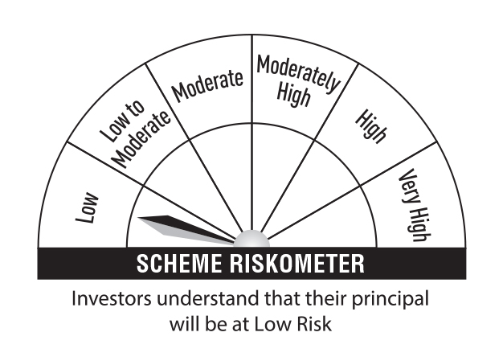 | 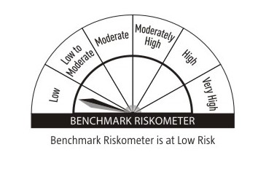 |  | Credit Risk → | Relatively Low (Class A) | Moderate (Class B) | Relatively High (Class C)
 | TREPS |  |  |  | 32,674.10 | 99.53 |  |  |  |  | Interest Rate Risk ↓
 | Sub Total |  |  |  | 32,674.10 | 99.53 |  |  |  |  | Relatively Low (Class I) | A-I
 | Total |  |  |  | 32,674.10 | 99.53
 | Net Receivables / (Payables) |  |  |  | 153.81 | 0.47 |  |  |  |  | Moderate (Class II)
 | Grand Total |  |  |  | 32,827.91 | 100.00
 |  |  |  |  |  |  |  |  |  |  | Relatively High (Class III)
 | Modified Duration | 0.00260
 |  |  |  |  |  |  |  |  | Benchmark: CRISIL Liquid Overnight Index
 | Annualised Portfolio YTM | 6.63%

 | Macaulay Duration | 0.00270

 | Average Maturity Yrs | 0.003

 | Notes
 | (1) The provision made for Securities classified as below investment grade or default as of September,30 2024 is Rs Nil and its percentage to Net Asset Value is Nil.
 | (2) Plan/option wise per unit Net Asset Value are as follows:
 | Plan/Option |  | As on March,31 2024 | As on September,30 2024
147534 | Regular Plan - Growth Option |  | 1,237.1621 | 1,277.1297
147533 | Regular Plan - Daily Idcw (Reinvestment) |  | 1,001.0000 | 1,001.0000
147531 | Direct Plan - Growth Option |  | 1,238.2097 | 1,278.2753
147532 | Direct Plan - Daily Idcw (Reinvestment) |  | 1,001.0012 | 1,001.0012

 | (3) Details of Dividend declared per unit (In Rupees) during the Half Year ended are as follows: |  | Individuals/HUF | Others
147533 | Regular Plan - Daily Idcw (Reinvestment) |  | 31.8286 | 31.8286
147532 | Direct Plan - Daily Idcw (Reinvestment) |  | 31.8719 | 31.8719

 | (4) Total outstanding exposure in derivative instruments as on September,30 2024 is Nil.
 | (5) Total Market value of investments in Foreign Securities/American Depositary Receipts/Global Depositary Receipts as at September,30 2024 is Rs. Nil .
 | (6) Details of repo transaction in corporate debt securities for the month ended September,30 2024 is Nil.

