MO
 | CANARA ROBECO CORPORATE BOND FUND

 | Half Yearly Portfolio Statement as on September 30, 2024
 | Name of the Instrument | ISIN | Industry / Rating | Quantity | Market/Fair Value (Rs. in Lacs) | % to Net Assets | Yield % | Scheme Risk-o-meter Level- September'24 | Benchmark Risk-o-meter Level- September'24 | Scheme Risk-o-meter Level- August'24 | Potential Risk Class (PRC) Matrix
 | Debt Instruments |  |  |  |  |  |  | 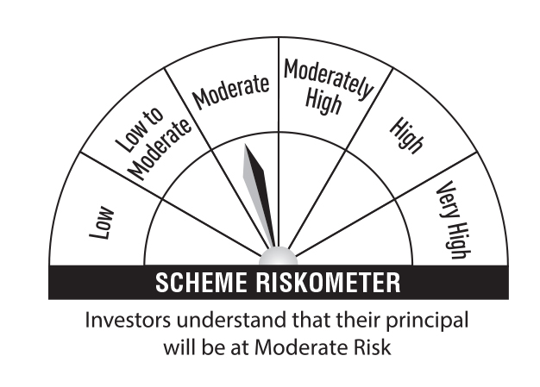 | 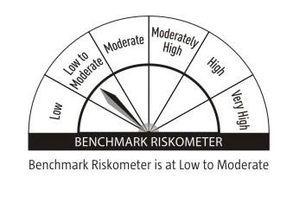 |  | Credit Risk → | Relatively Low (Class A) | Moderate (Class B) | Relatively High (Class C)
 | (a) Listed / awaiting listing on Stock Exchanges |  |  |  |  |  |  |  |  |  | Interest Rate Risk ↓
 | 7.70% Power Finance Corporation Ltd (15/04/2033) ** | INE134E08MI4 | CRISIL AAA | 1,000 | 1,030.49 | 7.58 | 7.20 |  |  |  | Relatively Low (Class I)
 | 7.68% LIC Housing Finance Ltd (29/05/2034) ** | INE115A07QR5 | CRISIL AAA | 1,000 | 1,012.79 | 7.45 | 7.48
 | 7.63% Grasim industries Ltd (01/12/2027) ** | INE047A08208 | CRISIL AAA | 100 | 1,010.60 | 7.44 | 7.23 |  |  |  | Moderate (Class II)
 | 8.23% Kotak Mahindra Prime Ltd (21/12/2026) ** | INE916DA7SP4 | CRISIL AAA | 1,000 | 1,005.29 | 7.40 | 7.95
 | 7.95% HDFC Bank Ltd (21/09/2026) ** | INE040A08369 | CRISIL AAA | 100 | 1,001.15 | 7.37 | 7.88 |  |  |  | Relatively High (Class III) |  | B-III
 | 7.05% National Housing Bank (18/12/2024) ** | INE557F08FG1 | CRISIL AAA | 100 | 998.83 | 7.35 | 7.21
 | 7.51% REC Ltd (31/07/2026) ** | INE020B08EI8 | CRISIL AAA | 1,000 | 998.63 | 7.35 | 7.57 |  | Benchmark: CRISIL Corporate Debt A-II Index
 | 7.59% Small Industries Development Bank Of India (10/02/2026) ** | INE556F08KG3 | CRISIL AAA | 1,000 | 997.56 | 7.34 | 7.75
 | 8.45% Indian Railway Finance Corporation Ltd (04/12/2028) ** | INE053F07AY7 | CRISIL AAA | 50 | 521.23 | 3.84 | 7.24
 | 8.05% NTPC Ltd (05/05/2026) ** | INE733E07KA6 | CRISIL AAA | 50 | 504.49 | 3.71 | 7.39
 | 7.75% Titan Co Ltd (05/05/2025) ** | INE280A08023 | CRISIL AAA | 500 | 500.61 | 3.68 | 7.61
 | 7.96% HDB Financial Services Ltd (17/11/2025) ** | INE756I07EM6 | CARE AAA | 50 | 499.06 | 3.67 | 8.11
 | Sub Total |  |  |  | 10,080.73 | 74.18
 | Total |  |  |  | 10,080.73 | 74.18
 | Money Market Instruments
 | Treasury Bill
 | 364 DTB (16-JAN-2025) | IN002023Z448 | Sovereign | 250,000 | 245.33 | 1.81 | 6.50
 | Sub Total |  |  |  | 245.33 | 1.81
 | Total |  |  |  | 245.33 | 1.81
 | Government Bonds
 | 7.34% GOI 2064 (22-APR-2064) | IN0020240035 | Sovereign | 500,000 | 528.02 | 3.89 | 7.04
 | 7.30% GOI 2053 (19-JUN-2053) | IN0020230051 | Sovereign | 500,000 | 525.33 | 3.87 | 7.01
 | 7.18% GOI 2037 (24-JUL-2037) | IN0020230077 | Sovereign | 500,000 | 516.13 | 3.80 | 6.91
 | Total |  |  |  | 1,569.48 | 11.56
 | Alternative Investment Fund
 | CORPORATE DEBT MARKET DEVELOPMENT FUND CLASS A2 | INF0RQ622028 | Alternative Investment Fund | 489 | 50.87 | 0.37 | 6.62
 | Total |  |  |  | 50.87 | 0.37
 | TREPS
 | TREPS |  |  |  | 1,161.63 | 8.55
 | Sub Total |  |  |  | 1,161.63 | 8.55
 | Total |  |  |  | 1,161.63 | 8.55
 | Net Receivables / (Payables) |  |  |  | 477.88 | 3.53
 | Grand Total |  |  |  | 13,585.92 | 100.00

 | ** Non Traded Security

 | Modified Duration | 3.23

 | Annualised Portfolio YTM | 7.35%

 | Macaulay Duration | 3.43

 | Average Maturity Yrs | 5.59

 | Notes
 | (1) The provision made for Securities classified as below investment grade or default as of September,30 2024 is Rs Nil and its percentage to Net Asset Value is Nil.
 | (2) Plan/option wise per unit Net Asset Value are as follows:
 | Plan/Option |  | As on March,31 2024 | As on September,30 2024
126687 | Regular Plan - Growth Option |  | 19.8346 | 20.6402
126688 | Regular Plan - Idcw (Payout/Reinvestment) |  | 11.4133 | 11.5784
126685 | Direct Plan - Growth Option |  | 21.0825 | 22.0095
126686 | Direct Plan - Idcw (Payout/Reinvestment) |  | 12.1221 | 12.3324

 | (3) Details of Dividend declared per unit (In Rupees) during the Half Year ended are as follows: |  | Individuals/HUF | Others
126688 | Regular Plan - Idcw (Payout/Reinvestment) |  | 0.2900 | 0.2900
126686 | Direct Plan - Idcw (Payout/Reinvestment) |  | 0.3100 | 0.3100

 | (4) Total outstanding exposure in derivative instruments as on September,30 2024 is Nil.
 | (5) Total Market value of investments in Foreign Securities/American Depositary Receipts/Global Depositary Receipts as at September,30 2024 is Rs. Nil .
 | (6) Details of repo transaction in corporate debt securities for the month ended September,30 2024 is Nil.

