LI
 | CANARA ROBECO LIQUID FUND

 | Half Yearly Portfolio Statement as on September 30, 2024
 | Name of the Instrument | ISIN | Industry / Rating | Quantity | Market/Fair Value (Rs. in Lacs) | % to Net Assets | Yield % | Scheme Risk-o-meter Level- September'24 | Benchmark Risk-o-meter Level- September'24 | Scheme Risk-o-meter Level- August'24 | Potential Risk Class (PRC) Matrix
 | Money Market Instruments |  |  |  |  |  |  | 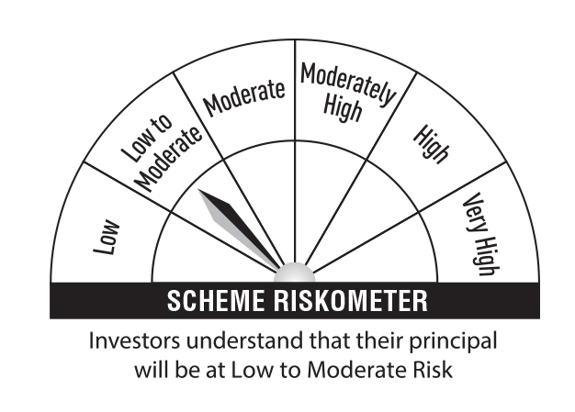 | 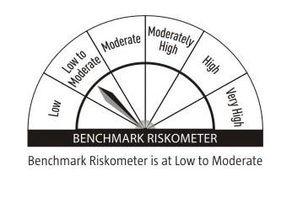 |  | Credit Risk → | Relatively Low (Class A) | Moderate (Class B) | Relatively High (Class C)
 | Certificate of Deposit |  |  |  |  |  |  |  |  |  | Interest Rate Risk ↓
 | Bank of India (04/12/2024) ** # | INE084A16CO1 | CRISIL A1+ | 5,000 | 24,688.33 | 8.76 | 7.20 |  |  |  | Relatively Low (Class I) | A-I
 | State Bank Of India (12/12/2024) ** # | INE062A16523 | CRISIL A1+ | 5,000 | 24,655.65 | 8.75 | 7.08
 | Small Industries Development Bank of India (18/12/2024) ** # | INE556F16AN3 | CARE A1+ | 3,500 | 17,236.28 | 6.12 | 7.16 |  |  |  | Moderate (Class II)
 | Indian Bank (05/12/2024) ** # | INE562A16NI5 | CRISIL A1+ | 3,000 | 14,809.76 | 5.26 | 7.21
 | HDFC Bank Ltd (12/12/2024) ** # | INE040A16FL2 | CARE A1+ | 3,000 | 14,789.24 | 5.25 | 7.22 |  |  |  | Relatively High (Class III)
 | Indian Bank (18/11/2024) ** # | INE562A16NG9 | CRISIL A1+ | 2,000 | 9,906.20 | 3.52 | 7.20
 | Punjab National Bank (21/11/2024) ** # | INE160A16PP8 | CRISIL A1+ | 2,000 | 9,901.71 | 3.51 | 7.10 |  | Benchmark: CRISIL Liquid Debt A-I Index
 | HDFC Bank Ltd (21/11/2024) ** # | INE040A16FI8 | CARE A1+ | 2,000 | 9,900.27 | 3.51 | 7.21
 | Axis Bank Ltd (29/11/2024) ** # | INE238AD6579 | CRISIL A1+ | 2,000 | 9,884.17 | 3.51 | 7.25
 | Punjab National Bank (05/12/2024) ** # | INE160A16OF2 | CRISIL A1+ | 2,000 | 9,874.79 | 3.51 | 7.12
 | ICICI Bank Ltd (06/12/2024) ** # | INE090AD6105 | ICRA A1+ | 1,500 | 7,404.28 | 2.63 | 7.15
 | State Bank Of India (04/12/2024) ** # | INE062A16515 | CRISIL A1+ | 1,000 | 4,938.69 | 1.75 | 7.08
 | Axis Bank Ltd (28/11/2024) # | INE238AD6587 | CRISIL A1+ | 500 | 2,471.53 | 0.88 | 7.25
 | HDFC Bank Ltd (06/12/2024) # | INE040A16EH3 | CARE A1+ | 500 | 2,467.65 | 0.88 | 7.25
 | Sub Total |  |  |  | 162,928.55 | 57.84
 | Commercial Paper
 | Bajaj Finance Ltd (26/11/2024) ** | INE296A14YZ6 | CRISIL A1+ | 2,500 | 12,357.61 | 4.39 | 7.51
 | HDFC Securities Ltd (20/11/2024) ** | INE700G14LJ5 | ICRA A1+ | 2,000 | 9,897.23 | 3.51 | 7.58
 | Tata Capital Ltd (25/11/2024) ** | INE976I14OM5 | CRISIL A1+ | 2,000 | 9,888.62 | 3.51 | 7.48
 | Reliance Jio Infocomm Ltd (06/12/2024) ** | INE110L14SK0 | CRISIL A1+ | 2,000 | 9,870.96 | 3.50 | 7.23
 | Export-Import Bank Of India (23/12/2024) ** | INE514E14SE1 | CRISIL A1+ | 2,000 | 9,840.01 | 3.49 | 7.15
 | HDFC Securities Ltd (12/11/2024) ** | INE700G14LD8 | ICRA A1+ | 1,500 | 7,435.15 | 2.64 | 7.58
 | HDFC Securities Ltd (18/12/2024) ** | INE700G14LT4 | ICRA A1+ | 1,500 | 7,380.45 | 2.62 | 7.58
 | ICICI Securities Ltd (14/11/2024) ** | INE763G14VK0 | CRISIL A1+ | 1,000 | 4,954.91 | 1.76 | 7.55
 | Kotak Securities Ltd (15/11/2024) ** | INE028E14ND5 | CRISIL A1+ | 1,000 | 4,953.71 | 1.76 | 7.58
 | ICICI Securities Ltd (02/12/2024) ** | INE763G14VQ7 | CRISIL A1+ | 1,000 | 4,936.98 | 1.75 | 7.52
 | ICICI Securities Ltd (20/12/2024) ** | INE763G14SE9 | CRISIL A1+ | 1,000 | 4,918.98 | 1.75 | 7.52
 | ICICI Securities Ltd (06/12/2024) ** | INE763G14RZ6 | CRISIL A1+ | 400 | 1,973.19 | 0.70 | 7.51
 | Sub Total |  |  |  | 88,407.80 | 31.38
 | Treasury Bill
 | 364 DTB (03-OCT-2024) | IN002023Z299 | Sovereign | 8,500,000 | 8,497.04 | 3.02 | 6.35
 | 182 DTB (11-OCT-2024) | IN002024Y027 | Sovereign | 500,000 | 499.13 | 0.18 | 6.36
 | Sub Total |  |  |  | 8,996.17 | 3.20
 | Total |  |  |  | 260,332.52 | 92.42
 | Alternative Investment Fund
 | CORPORATE DEBT MARKET DEVELOPMENT FUND CLASS A2 | INF0RQ622028 | Alternative Investment Fund | 7,952 | 827.49 | 0.29 | 6.62
 | Total |  |  |  | 827.49 | 0.29
 | TREPS
 | TREPS |  |  |  | 20,311.96 | 7.21
 | Sub Total |  |  |  | 20,311.96 | 7.21
 | Total |  |  |  | 20,311.96 | 7.21
 | Net Receivables / (Payables) |  |  |  | 236.70 | 0.08
 | Grand Total |  |  |  | 281,708.67 | 100.00

 | ** Non Traded Security
 | # Unlisted Security

 | Modified Duration | 0.14

 | Annualised Portfolio YTM | 7.19%

 | Macaulay Duration | 0.16

 | Average Maturity Yrs | 0.16

 | Notes
 | (1) The provision made for Securities classified as below investment grade or default as of September,30 2024 is Rs Nil and its percentage to Net Asset Value is Nil.
 | (2) Plan/option wise per unit Net Asset Value are as follows:
 | Plan/Option |  | As on March,31 2024 | As on September,30 2024
109353 | Regular Plan - Growth Option |  | 2,880.2257 | 2,984.1517
109349 | Regular Plan - Daily Idcw (Reinvestment) |  | 1,005.5000 | 1,005.5000
109350 | Regular Plan - Weekly Idcw (Payout/Reinvestment) |  | 1,001.2874 | 1,001.1518
109351 | Regular Plan - Monthly Idcw (Payout/Reinvestment) |  | 1,001.2873 | 1,001.1520
139235 | Liquid Fund -Unclaimed Redemption And Dividend Plan -Direct Growth Option |  | 1,577.4083 | 1,635.4863
118305 | Direct Plan - Growth Option |  | 2,893.5275 | 2,999.0858
118304 | Direct Plan - Idcw (Payout/Reinvestment) |  | 2,070.8655 | 2,146.3570
118307 | Direct Plan - Daily Idcw (Reinvestment) |  | 1,005.5000 | 1,005.5000
118308 | Direct Plan - Weekly Idcw (Payout/Reinvestment) |  | 1,001.2950 | 1,001.1614
118306 | Direct Plan - Monthly Idcw (Payout/Reinvestment) |  | 1,001.2950 | 1,001.1616

 | (3) Details of Dividend declared per unit (In Rupees) during the Half Year ended are as follows: |  | Individuals/HUF | Others
109349 | Regular Plan - Daily Idcw (Reinvestment) |  | 35.6455 | 35.6455
109350 | Regular Plan - Weekly Idcw (Payout/Reinvestment) |  | 35.6124 | 35.6124
109351 | Regular Plan - Monthly Idcw (Payout/Reinvestment) |  | 35.6934 | 35.6934
118307 | Direct Plan - Daily Idcw (Reinvestment) |  | 36.0065 | 36.0065
118308 | Direct Plan - Weekly Idcw (Payout/Reinvestment) |  | 35.9708 | 35.9708
118306 | Direct Plan - Monthly Idcw (Payout/Reinvestment) |  | 36.0527 | 36.0527

 | (4) Total outstanding exposure in derivative instruments as on September,30 2024 is Nil.
 | (5) Total Market value of investments in Foreign Securities/American Depositary Receipts/Global Depositary Receipts as at September,30 2024 is Rs. Nil .
 | (6) Details of repo transaction in corporate debt securities for the month ended September,30 2024 is Nil.

