IF
 | CANARA ROBECO INCOME FUND

 | Half Yearly Portfolio Statement as on September 30, 2024
 | Name of the Instrument | ISIN | Industry / Rating | Quantity | Market/Fair Value (Rs. in Lacs) | % to Net Assets | Yield % | Scheme Risk-o-meter Level- September'24 | Benchmark Risk-o-meter Level- September'24 | Scheme Risk-o-meter Level- August'24 | Potential Risk Class (PRC) Matrix
 | Money Market Instruments |  |  |  |  |  |  | 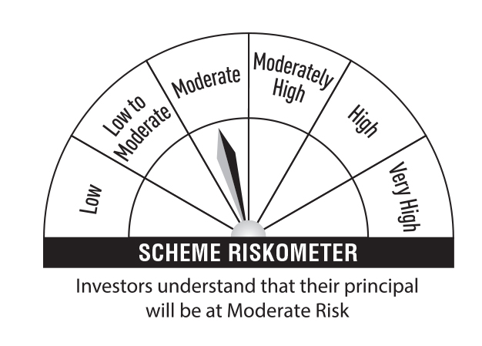 | 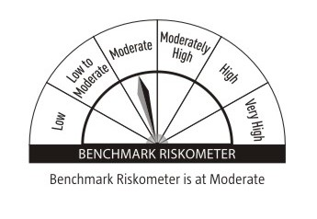 |  | Credit Risk → | Relatively Low (Class A) | Moderate (Class B) | Relatively High (Class C)
 | Treasury Bill |  |  |  |  |  |  |  |  |  | Interest Rate Risk ↓
 | 364 DTB (16-JAN-2025) | IN002023Z448 | Sovereign | 250,000 | 245.33 | 2.06 | 6.50 |  |  |  | Relatively Low (Class I)
 | Sub Total |  |  |  | 245.33 | 2.06
 | Total |  |  |  | 245.33 | 2.06 |  |  |  |  | Moderate (Class II)
 | Government Bonds
 | 7.30% GOI 2053 (19-JUN-2053) | IN0020230051 | Sovereign | 3,500,000 | 3,677.33 | 30.95 | 7.01 |  |  |  | Relatively High (Class III) |  | B-III
 | 7.32% GOI 2073 (13-NOV-2030) | IN0020230135 | Sovereign | 1,500,000 | 1,546.57 | 13.01 | 6.80
 | 7.18% GOI 2037 (24-JUL-2037) | IN0020230077 | Sovereign | 1,000,000 | 1,032.26 | 8.69 | 6.91 |  | Benchmark: CRISIL Medium to Long Duration Debt A-III Index
 | GOI FRB 2033 (22-SEP-2033) | IN0020200120 | Sovereign | 1,000,000 | 1,026.58 | 8.64 | 7.52
 | 7.34% GOI 2064 (22-APR-2064) | IN0020240035 | Sovereign | 500,000 | 528.02 | 4.44 | 7.04
 | 7.10% GOI 2034 (08-APR-2034) | IN0020240019 | Sovereign | 500,000 | 512.15 | 4.31 | 6.86
 | 7.04% GOI 2029 (03-JUN-2029) | IN0020240050 | Sovereign | 500,000 | 507.28 | 4.27 | 6.78
 | 8.47% Maharashtra SDL 10-Feb-26 | IN2220150188 | Sovereign | 28,000 | 28.56 | 0.24 | 7.00
 | Total |  |  |  | 8,858.75 | 74.55
 | Alternative Investment Fund
 | CORPORATE DEBT MARKET DEVELOPMENT FUND CLASS A2 | INF0RQ622028 | Alternative Investment Fund | 315 | 32.77 | 0.28 | 6.62
 | Total |  |  |  | 32.77 | 0.28
 | TREPS
 | TREPS |  |  |  | 2,595.88 | 21.84
 | Sub Total |  |  |  | 2,595.88 | 21.84
 | Total |  |  |  | 2,595.88 | 21.84
 | Net Receivables / (Payables) |  |  |  | 150.66 | 1.27
 | Grand Total |  |  |  | 11,883.39 | 100.00

 | Modified Duration | 6.24

 | Annualised Portfolio YTM | 6.90%

 | Macaulay Duration | 6.50

 | Average Maturity Yrs | 13.96

 | Notes
 | (1) The provision made for Securities classified as below investment grade or default as of September,30 2024 is Rs Nil and its percentage to Net Asset Value is Nil.
 | (2) Plan/option wise per unit Net Asset Value are as follows:
 | Plan/Option |  | As on March,31 2024 | As on September,30 2024
101588 | Regular Plan - Growth Option |  | 50.8385 | 53.1295
101587 | Regular Plan - Quarterly Idcw (Payout/Reinvestment) |  | 14.6597 | 14.9349
118282 | Direct Plan - Growth Option |  | 56.2080 | 59.0817
118281 | Direct Plan - Quarterly Idcw (Payout/Reinvestment) |  | 16.4444 | 16.8562

 | (3) Details of Dividend declared per unit (In Rupees) during the Half Year ended are as follows: |  | Individuals/HUF | Others
101587 | Regular Plan - Quarterly Idcw (Payout/Reinvestment) |  | 0.38 | 0.38
118281 | Direct Plan - Quarterly Idcw (Payout/Reinvestment) |  | 0.42 | 0.42

 | (4) Total outstanding exposure in derivative instruments as on September,30 2024 is Nil.
 | (5) Total Market value of investments in Foreign Securities/American Depositary Receipts/Global Depositary Receipts as at September,30 2024 is Rs. Nil .
 | (6) Details of repo transaction in corporate debt securities for the month ended September,30 2024 is Nil.

