GL
 | CANARA ROBECO GILT FUND

 | Half Yearly Portfolio Statement as on September 30, 2024
 | Name of the Instrument | ISIN | Industry / Rating | Quantity | Market/Fair Value (Rs. in Lacs) | % to Net Assets | Yield % | Scheme Risk-o-meter Level- September'24 | Benchmark Risk-o-meter Level- September'24 | Scheme Risk-o-meter Level- August'24 | Potential Risk Class (PRC) Matrix
 | Government Bonds |  |  |  |  |  |  | 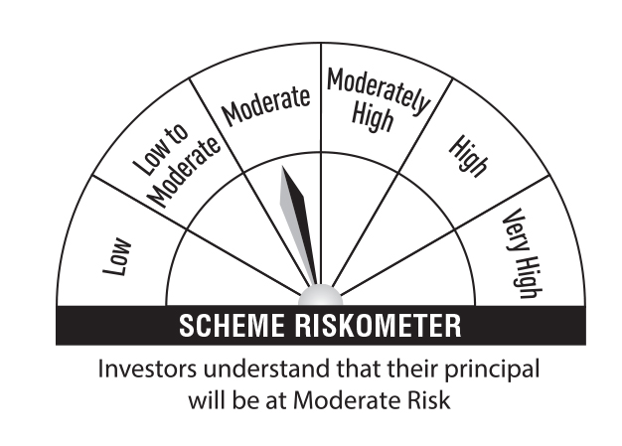 | 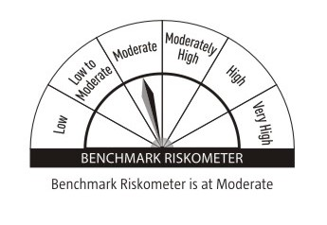 |  | Credit Risk → | Relatively Low (Class A) | Moderate (Class B) | Relatively High (Class C)
 | 7.34% GOI 2064 (22-APR-2064) | IN0020240035 | Sovereign | 3,600,000 | 3,801.72 | 31.51 | 7.04 |  |  |  | Interest Rate Risk ↓
 | 7.30% GOI 2053 (19-JUN-2053) | IN0020230051 | Sovereign | 2,350,000 | 2,469.07 | 20.46 | 7.01 |  |  |  | Relatively Low (Class I)
 | 7.18% GOI 2037 (24-JUL-2037) | IN0020230077 | Sovereign | 1,678,600 | 1,732.76 | 14.36 | 6.91
 | 7.23% GOI 2039 (15-APR-2039) | IN0020240027 | Sovereign | 1,000,000 | 1,040.22 | 8.62 | 6.91 |  |  |  | Moderate (Class II)
 | 7.38% GOI 20-JUN-27 | IN0020220037 | Sovereign | 250,100 | 254.45 | 2.11 | 6.77
 | 7.17% GOI 2030 (17-APR-2030) | IN0020230036 | Sovereign | 158,900 | 162.37 | 1.35 | 6.80 |  |  |  | Relatively High (Class III) | A-III
 | 8.13% INDIA GOVERNMENT 22-JUN-45 | IN0020150044 | Sovereign | 10,000 | 11.40 | 0.09 | 6.97
 | 7.10% GOI 2034 (08-APR-2034) | IN0020240019 | Sovereign | 7,950 | 8.14 | 0.07 | 6.86 |  | Benchmark: CRISIL Dynamic Gilt Index
 | Total |  |  |  | 9,480.13 | 78.57
 | TREPS
 | TREPS |  |  |  | 2,322.51 | 19.25
 | Sub Total |  |  |  | 2,322.51 | 19.25
 | Total |  |  |  | 2,322.51 | 19.25
 | Net Receivables / (Payables) |  |  |  | 262.75 | 2.18
 | Grand Total |  |  |  | 12,065.39 | 100.00

 | Modified Duration | 8.76

 | Annualised Portfolio YTM | 6.91%

 | Macaulay Duration | 9.15

 | Average Maturity Yrs | 21.61

 | Notes
 | (1) The provision made for Securities classified as below investment grade or default as of September,30 2024 is Rs Nil and its percentage to Net Asset Value is Nil.
 | (2) Plan/option wise per unit Net Asset Value are as follows:
 | Plan/Option |  | As on March,31 2024 | As on September,30 2024
100597 | Regular Plan - Growth Option |  | 68.9980 | 72.5616
100596 | Regular Plan - Idcw (Payout/Reinvestment) |  | 15.0439 | 15.4281
118299 | Direct Plan - Growth Option |  | 73.6472 | 77.7300
118298 | Direct Plan - Idcw (Payout/Reinvestment) |  | 16.2495 | 16.7255

 | (3) Details of Dividend declared per unit (In Rupees) during the Half Year ended are as follows: |  | Individuals/HUF | Others
100596 | Regular Plan - Idcw (Payout/Reinvestment) |  | 0.38 | 0.38
118298 | Direct Plan - Idcw (Payout/Reinvestment) |  | 0.41 | 0.41

 | (4) Total outstanding exposure in derivative instruments as on September,30 2024 is Nil.
 | (5) Total Market value of investments in Foreign Securities/American Depositary Receipts/Global Depositary Receipts as at September,30 2024 is Rs. Nil .
 | (6) Details of repo transaction in corporate debt securities for the month ended September,30 2024 is Nil.

