FR
 | CANARA ROBECO SAVINGS FUND

 | Half Yearly Portfolio Statement as on September 30, 2024
 | Name of the Instrument | ISIN | Industry / Rating | Quantity | Market/Fair Value (Rs. in Lacs) | % to Net Assets | Yield % | Scheme Risk-o-meter Level- September'24 | Benchmark Risk-o-meter Level- September'24 | Scheme Risk-o-meter Level- August'24 | Potential Risk Class (PRC) Matrix
 | Debt Instruments |  |  |  |  |  |  | 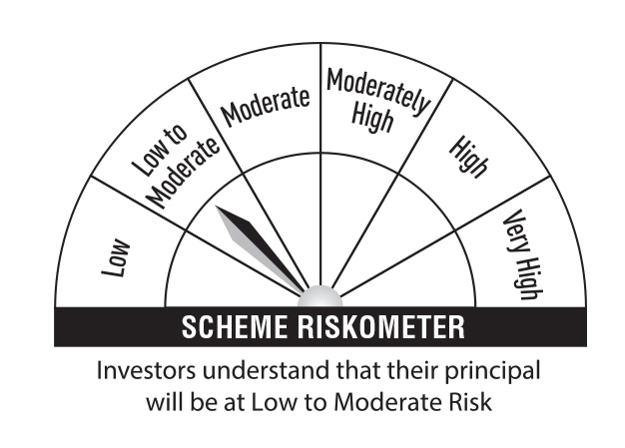 | 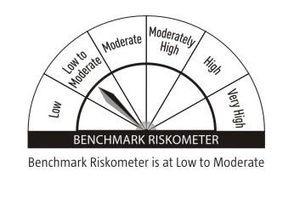 |  | Credit Risk → | Relatively Low (Class A) | Moderate (Class B) | Relatively High (Class C)
 | (a) Listed / awaiting listing on Stock Exchanges |  |  |  |  |  |  |  |  |  | Interest Rate Risk ↓
 | 5.81% REC Ltd (31/12/2025) | INE020B08DH2 | CRISIL AAA | 600 | 5,869.66 | 6.96 | 7.67 |  |  |  | Relatively Low (Class I) |  | B-I
 | 7.96% HDB Financial Services Ltd (17/11/2025) ** | INE756I07EM6 | CARE AAA | 500 | 4,990.59 | 5.92 | 8.11
 | 7.17% Power Finance Corporation Ltd (22/05/2025) ** | INE134E08KT5 | CRISIL AAA | 500 | 4,978.43 | 5.90 | 7.68 |  |  |  | Moderate (Class II)
 | 7.84% HDB Financial Services Ltd (14/07/2026) ** | INE756I07EN4 | CRISIL AAA | 500 | 4,977.22 | 5.90 | 8.09
 | 7.9237% BAJAJ HOUSING FINANCE LTD 16-MAR-26 ** | INE377Y07375 | CRISIL AAA | 400 | 3,999.47 | 4.74 | 7.88 |  |  |  | Relatively High (Class III)
 | 7.51% Indian Railway Finance Corporation Ltd (15/04/2026) ** | INE053F08288 | CARE AAA | 3,500 | 3,501.77 | 4.15 | 7.51
 | 7.25% Small Industries Development Bank Of India (31/07/2025) ** | INE556F08KA6 | CARE AAA | 350 | 3,482.52 | 4.13 | 7.79 |  | Benchmark: CRISIL Low Duration Debt A-I Index
 | 7.83% Bajaj Housing Finance Ltd (12/12/2025) ** | INE377Y07391 | CRISIL AAA | 250 | 2,497.66 | 2.96 | 7.87
 | 7.7201% LIC HOUSING FINANCE LTD 12-FEB-26 ** | INE115A07QB9 | CRISIL AAA | 250 | 2,495.19 | 2.96 | 7.82
 | 7.8925% BAJAJ FINANCE LTD 10-JUN-25 | INE296A07SK4 | CRISIL AAA | 250 | 2,494.32 | 2.96 | 8.04
 | 7.59% Small Industries Development Bank Of India (10/02/2026) ** | INE556F08KG3 | CRISIL AAA | 2,500 | 2,493.90 | 2.96 | 7.75
 | 7.65% Bajaj Housing Finance Ltd (21/07/2025) | INE377Y07326 | CRISIL AAA | 250 | 2,493.47 | 2.96 | 7.88
 | 7.13% Power Finance Corporation Ltd (08/08/2025) ** | INE134E08LO4 | CRISIL AAA | 250 | 2,488.85 | 2.95 | 7.61
 | 7.40% National Bank For Agriculture & Rural Development (30/01/2026) | INE261F08DO9 | CRISIL AAA | 250 | 2,488.71 | 2.95 | 7.72
 | 7.23% Indian Railway Finance Corporation Ltd (15/10/2026) ** | INE053F08304 | CRISIL AAA | 2,500 | 2,487.22 | 2.95 | 7.51
 | 7.37% Kotak Mahindra Prime Ltd (16/09/2025) ** | INE916DA7RT8 | CRISIL AAA | 250 | 2,485.44 | 2.95 | 8.00
 | 5.96% National Bank For Agriculture & Rural Development (06/02/2025) ** | INE261F08DM3 | ICRA AAA | 250 | 2,484.34 | 2.95 | 7.51
 | 5.23% National Bank For Agriculture & Rural Development (31/01/2025) ** | INE261F08DI1 | CRISIL AAA | 250 | 2,479.55 | 2.94 | 7.49
 | 5.94% REC Ltd (31/01/2026) ** | INE020B08DK6 | CRISIL AAA | 250 | 2,447.22 | 2.90 | 7.63
 | 5.5315% LIC HOUSING FINANCE LTD 20-DEC-24 ** | INE115A07OX8 | CRISIL AAA | 100 | 995.37 | 1.18 | 7.37
 | Sub Total |  |  |  | 62,630.90 | 74.27
 | Total |  |  |  | 62,630.90 | 74.27
 | Money Market Instruments
 | Certificate of Deposit
 | Small Industries Development Bank of India (27/02/2025) ** # | INE556F16AR4 | CARE A1+ | 500 | 2,426.98 | 2.88 | 7.37
 | Axis Bank Ltd (06/06/2025) ** # | INE238AD6835 | CRISIL A1+ | 500 | 2,378.55 | 2.82 | 7.52
 | Axis Bank Ltd (22/08/2025) ** # | INE238AD6884 | CRISIL A1+ | 500 | 2,341.55 | 2.78 | 7.60
 | Axis Bank Ltd (05/09/2025) ** # | INE238AD6892 | CRISIL A1+ | 500 | 2,335.17 | 2.77 | 7.60
 | Sub Total |  |  |  | 9,482.25 | 11.25
 | Commercial Paper
 | ICICI Securities Ltd (21/02/2025) ** | INE763G14TE7 | CRISIL A1+ | 1,000 | 4,851.92 | 5.75 | 7.79
 | Sub Total |  |  |  | 4,851.92 | 5.75
 | Total |  |  |  | 14,334.17 | 17.00
 | Government Bonds
 | 0.00% GOI 19-SEP-26 | IN000926C047 | Sovereign | 4,545,000 | 3,988.17 | 4.73 | 6.87
 | GOI FRB 2033 (22-SEP-2033) | IN0020200120 | Sovereign | 500,000 | 513.29 | 0.61 | 7.52
 | Total |  |  |  | 4,501.46 | 5.34
 | Alternative Investment Fund
 | CORPORATE DEBT MARKET DEVELOPMENT FUND CLASS A2 | INF0RQ622028 | Alternative Investment Fund | 2,623 | 272.98 | 0.32 | 6.62
 | Total |  |  |  | 272.98 | 0.32
 | TREPS
 | TREPS |  |  |  | 266.33 | 0.32
 | Sub Total |  |  |  | 266.33 | 0.32
 | Total |  |  |  | 266.33 | 0.32
 | Net Receivables / (Payables) |  |  |  | 2,325.58 | 2.75
 | Grand Total |  |  |  | 84,331.42 | 100.00

 | ** Non Traded Security
 | # Unlisted Security

 | Modified Duration | 0.97

 | Annualised Portfolio YTM | 7.66%

 | Macaulay Duration | 1.03

 | Average Maturity Yrs | 1.09

 | Notes
 | (1) The provision made for Securities classified as below investment grade or default as of September,30 2024 is Rs Nil and its percentage to Net Asset Value is Nil.
 | (2) Plan/option wise per unit Net Asset Value are as follows:
 | Plan/Option |  | As on March,31 2024 | As on September,30 2024
102913 | Regular Plan - Growth Option |  | 38.4566 | 39.8459
102914 | Regular Plan - Idcw (Payout/Reinvestment) |  | 34.4479 | 35.6922
104559 | Regular Plan - Daily Idcw (Reinvestment) |  | 10.2655 | 10.2600
102915 | Regular Plan - Weekly Idcw (Payout/Reinvestment) |  | 10.2775 | 10.2722
113144 | Regular Plan - Monthly Idcw (Payout/Reinvestment) |  | 10.2775 | 10.2723
118291 | Direct Plan - Growth Option |  | 39.3758 | 40.8560
118292 | Direct Plan - Idcw (Payout/Reinvestment) |  | 35.1987 | 36.5142
118293 | Direct Plan - Daily Idcw (Reinvestment) |  | 10.2658 | 10.2600
118294 | Direct Plan - Weekly Idcw (Payout/Reinvestment) |  | 10.2778 | 10.2727
118295 | Direct Plan - Monthly Idcw (Payout/Reinvestment) |  | 10.2778 | 10.2727

 | (3) Details of Dividend declared per unit (In Rupees) during the Half Year ended are as follows: |  | Individuals/HUF | Others
104559 | Regular Plan - Daily Idcw (Reinvestment) |  | 0.3696 | 0.3696
102915 | Regular Plan - Weekly Idcw (Payout/Reinvestment) |  | 0.3696 | 0.3696
113144 | Regular Plan - Monthly Idcw (Payout/Reinvestment) |  | 0.3704 | 0.3704
118293 | Direct Plan - Daily Idcw (Reinvestment) |  | 0.3835 | 0.3835
118294 | Direct Plan - Weekly Idcw (Payout/Reinvestment) |  | 0.3814 | 0.3814
118295 | Direct Plan - Monthly Idcw (Payout/Reinvestment) |  | 0.3826 | 0.3826

 | (4) Total outstanding exposure in derivative instruments as on September,30 2024 is Nil.
 | (5) Total Market value of investments in Foreign Securities/American Depositary Receipts/Global Depositary Receipts as at September,30 2024 is Rs. Nil .
 | (6) Details of repo transaction in corporate debt securities for the month ended September,30 2024 is Nil.

