DB
 | CANARA ROBECO DYNAMIC BOND FUND

 | Half Yearly Portfolio Statement as on September 30, 2024
 | Name of the Instrument | ISIN | Industry / Rating | Quantity | Market/Fair Value (Rs. in Lacs) | % to Net Assets | Yield % | Scheme Risk-o-meter Level- September'24 | Benchmark Risk-o-meter Level- September'24 | Scheme Risk-o-meter Level- August'24 | Potential Risk Class (PRC) Matrix
 | Government Bonds |  |  |  |  |  |  | 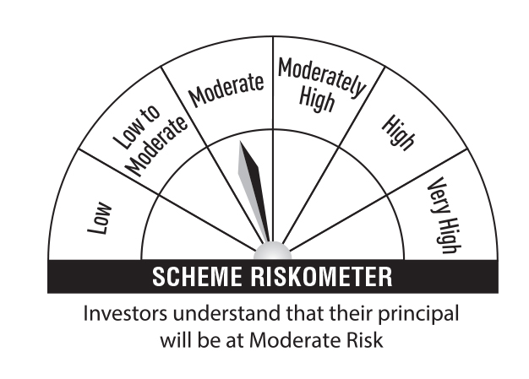 | 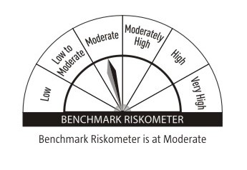 |  | Credit Risk → | Relatively Low (Class A) | Moderate (Class B) | Relatively High (Class C)
 | 7.34% GOI 2064 (22-APR-2064) | IN0020240035 | Sovereign | 2,900,000 | 3,062.50 | 27.41 | 7.04 |  |  |  | Interest Rate Risk ↓
 | 7.30% GOI 2053 (19-JUN-2053) | IN0020230051 | Sovereign | 2,650,000 | 2,784.27 | 24.92 | 7.01 |  |  |  | Relatively Low (Class I)
 | 7.18% GOI 2037 (24-JUL-2037) | IN0020230077 | Sovereign | 2,321,400 | 2,396.30 | 21.45 | 6.91
 | 7.38% GOI 20-JUN-27 | IN0020220037 | Sovereign | 249,900 | 254.25 | 2.28 | 6.77 |  |  |  | Moderate (Class II)
 | 7.26% GOI 22-AUG-32 | IN0020220060 | Sovereign | 90,000 | 92.86 | 0.83 | 6.85
 | 7.17% GOI 2030 (17-APR-2030) | IN0020230036 | Sovereign | 71,500 | 73.06 | 0.65 | 6.80 |  |  |  | Relatively High (Class III) |  | B-III
 | 6.68% INDIA GOVERNMENT 17-SEP-31 | IN0020170042 | Sovereign | 23,200 | 23.15 | 0.21 | 6.83
 | 7.10% GOI 2034 (08-APR-2034) | IN0020240019 | Sovereign | 5,300 | 5.43 | 0.05 | 6.86 |  | Benchmark: CRISIL Dynamic Bond A-III Index
 | Total |  |  |  | 8,691.82 | 77.80
 | Alternative Investment Fund
 | CORPORATE DEBT MARKET DEVELOPMENT FUND CLASS A2 | INF0RQ622028 | Alternative Investment Fund | 291 | 30.30 | 0.27 | 6.62
 | Total |  |  |  | 30.30 | 0.27
 | TREPS
 | TREPS |  |  |  | 2,237.29 | 20.02
 | Sub Total |  |  |  | 2,237.29 | 20.02
 | Total |  |  |  | 2,237.29 | 20.02
 | Net Receivables / (Payables) |  |  |  | 213.39 | 1.91
 | Grand Total |  |  |  | 11,172.80 | 100.00

 | Modified Duration | 8.61

 | Annualised Portfolio YTM | 6.90%

 | Macaulay Duration | 8.98

 | Average Maturity Yrs | 20.95

 | Notes
 | (1) The provision made for Securities classified as below investment grade or default as of September,30 2024 is Rs Nil and its percentage to Net Asset Value is Nil.
 | (2) Plan/option wise per unit Net Asset Value are as follows:
 | Plan/Option |  | As on March,31 2024 | As on September,30 2024
111962 | Regular Plan - Growth Option |  | 27.0762 | 28.3034
111963 | Regular Plan - Idcw (Payout/Reinvestment) |  | 13.7176 | 13.9799
118284 | Direct Plan - Growth Option |  | 29.4601 | 30.9613
118283 | Direct Plan - Idcw (Payout/Reinvestment) |  | 15.1020 | 15.4748

 | (3) Details of Dividend declared per unit (In Rupees) during the Half Year ended are as follows: |  | Individuals/HUF | Others
111963 | Regular Plan - Monthly Idcw (Payout/Reinvestment) |  | 0.35 | 0.35
118283 | Direct Plan - Monthly Idcw (Payout/Reinvestment) |  | 0.38 | 0.38

 | (4) Total outstanding exposure in derivative instruments as on September,30 2024 is Nil.
 | (5) Total Market value of investments in Foreign Securities/American Depositary Receipts/Global Depositary Receipts as at September,30 2024 is Rs. Nil .
 | (6) Details of repo transaction in corporate debt securities for the month ended September,30 2024 is Nil.

