CY
 | CANARA ROBECO SHORT DURATION FUND

 | Half Yearly Portfolio Statement as on September 30, 2024
 | Name of the Instrument | ISIN | Industry / Rating | Quantity | Market/Fair Value (Rs. in Lacs) | % to Net Assets | Yield % | Scheme Risk-o-meter Level- September'24 | Benchmark Risk-o-meter Level- September'24 | Scheme Risk-o-meter Level- August'24 | Potential Risk Class (PRC) Matrix
 | Debt Instruments |  |  |  |  |  |  | 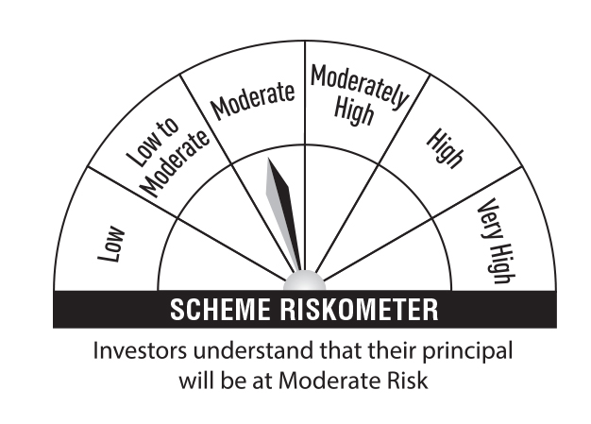 | 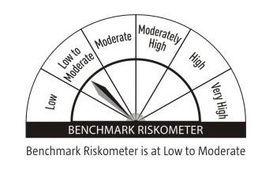 |  | Credit Risk → | Relatively Low (Class A) | Moderate (Class B) | Relatively High (Class C)
 | (a) Listed / awaiting listing on Stock Exchanges |  |  |  |  |  |  |  |  |  | Interest Rate Risk ↓
 | 7.45% Indian Railway Finance Corporation Ltd (13/10/2028) ** | INE053F08320 | CRISIL AAA | 2,500 | 2,517.43 | 7.39 | 7.24 |  |  |  | Relatively Low (Class I)
 | 7.50% Grasim industries Ltd (10/06/2027) ** | INE047A08190 | CRISIL AAA | 250 | 2,512.51 | 7.38 | 7.27
 | 7.59% REC Ltd (31/05/2027) ** | INE020B08FA2 | CRISIL AAA | 2,500 | 2,504.11 | 7.35 | 7.47 |  |  |  | Moderate (Class II) |  | B-II
 | 7.9237% BAJAJ HOUSING FINANCE LTD 16-MAR-26 ** | INE377Y07375 | CRISIL AAA | 250 | 2,499.67 | 7.34 | 7.88
 | 7.57% National Bank For Agriculture & Rural Development (19/03/2026) | INE261F08DW2 | CRISIL AAA | 2,500 | 2,493.24 | 7.32 | 7.72 |  |  |  | Relatively High (Class III)
 | 7.38% LIC Housing Finance Ltd (18/08/2025) ** | INE115A07PZ0 | CRISIL AAA | 250 | 2,490.66 | 7.31 | 7.77
 | 7.70% HDB Financial Services Ltd (11/08/2025) ** | INE756I07EG8 | CRISIL AAA | 250 | 2,488.94 | 7.31 | 8.16 |  | Benchmark: CRISIL Short Duration Debt A-II Index
 | 7.13% Power Finance Corporation Ltd (08/08/2025) ** | INE134E08LO4 | CRISIL AAA | 250 | 2,488.85 | 7.31 | 7.61
 | 7.15% Small Industries Development Bank Of India (02/06/2025) ** | INE556F08JY8 | ICRA AAA | 250 | 2,488.64 | 7.31 | 7.68
 | Sub Total |  |  |  | 22,484.05 | 66.02
 | Total |  |  |  | 22,484.05 | 66.02
 | Money Market Instruments
 | Certificate of Deposit
 | HDFC Bank Ltd (19/09/2025) ** # | INE040A16FM0 | CARE A1+ | 500 | 2,329.33 | 6.84 | 7.58
 | Sub Total |  |  |  | 2,329.33 | 6.84
 | Treasury Bill
 | 364 DTB (16-JAN-2025) | IN002023Z448 | Sovereign | 250,000 | 245.33 | 0.72 | 6.50
 | Sub Total |  |  |  | 245.33 | 0.72
 | Total |  |  |  | 2,574.66 | 7.56
 | Government Bonds
 | 7.18% GOI 2037 (14-AUG-2033) | IN0020230085 | Sovereign | 3,000,000 | 3,082.39 | 9.05 | 6.88
 | 7.18% GOI 2037 (24-JUL-2037) | IN0020230077 | Sovereign | 2,000,000 | 2,064.53 | 6.06 | 6.91
 | 7.10% GOI 2034 (08-APR-2034) | IN0020240019 | Sovereign | 2,000,000 | 2,048.59 | 6.02 | 6.86
 | 7.86% Karnataka SDL 15-Mar-27 | IN1920160117 | Sovereign | 28,300 | 28.89 | 0.08 | 7.04
 | Total |  |  |  | 7,224.40 | 21.21
 | Alternative Investment Fund
 | CORPORATE DEBT MARKET DEVELOPMENT FUND CLASS A2 | INF0RQ622028 | Alternative Investment Fund | 1,373 | 142.89 | 0.42 | 6.62
 | Total |  |  |  | 142.89 | 0.42
 | TREPS
 | TREPS |  |  |  | 951.77 | 2.80
 | Sub Total |  |  |  | 951.77 | 2.80
 | Total |  |  |  | 951.77 | 2.80
 | Net Receivables / (Payables) |  |  |  | 672.23 | 1.99
 | Grand Total |  |  |  | 34,050.00 | 100.00

 | ** Non Traded Security
 | # Unlisted Security

 | Modified Duration | 2.59

 | Annualised Portfolio YTM | 7.42%

 | Macaulay Duration | 2.73

 | Average Maturity Yrs | 3.37

 | Notes
 | (1) The provision made for Securities classified as below investment grade or default as of September,30 2024 is Rs Nil and its percentage to Net Asset Value is Nil.
 | (2) Plan/option wise per unit Net Asset Value are as follows:
 | Plan/Option |  | As on March,31 2024 | As on September,30 2024
115077 | Regular Plan - Growth Option |  | 23.1545 | 24.0333
115078 | Regular Plan - Monthly Idcw (Payout/Reinvestment) |  | 15.1782 | 15.3881
115079 | Regular Plan - Quarterly Idcw (Payout/Reinvestment) |  | 14.9239 | 15.1062
118320 | Direct Plan - Growth Option |  | 25.0665 | 26.0981
118321 | Direct Plan - Monthly Idcw (Payout/Reinvestment) |  | 17.2496 | 17.5921
118322 | Direct Plan - Quarterly Idcw (Payout/Reinvestment) |  | 16.4778 | 16.7303

 | (3) Details of Dividend declared per unit (In Rupees) during the Half Year ended are as follows: |  | Individuals/HUF | Others
115078 | Regular Plan - Monthly Idcw (Payout/Reinvestment) |  | 0.3600 | 0.3600
115079 | Regular Plan - Quarterly Idcw (Payout/Reinvestment) |  | 0.3800 | 0.3800
118321 | Direct Plan - Monthly Idcw (Payout/Reinvestment) |  | 0.3600 | 0.3600
118322 | Direct Plan - Quarterly Idcw (Payout/Reinvestment) |  | 0.4200 | 0.4200

 | (4) Total outstanding exposure in derivative instruments as on September,30 2024 is Nil.
 | (5) Total Market value of investments in Foreign Securities/American Depositary Receipts/Global Depositary Receipts as at September,30 2024 is Rs. Nil .
 | (6) Details of repo transaction in corporate debt securities for the month ended September,30 2024 is Nil.

