BP
 | CANARA ROBECO BANKING AND PSU DEBT FUND

 | Half Yearly Portfolio Statement as on September 30, 2024
 | Name of the Instrument | ISIN | Industry / Rating | Quantity | Market/Fair Value (Rs. in Lacs) | % to Net Assets | Yield % | Scheme Risk-o-meter Level- September'24 | Benchmark Risk-o-meter Level- September'24 | Scheme Risk-o-meter Level- August'24 | Potential Risk Class (PRC) Matrix
 | Debt Instruments |  |  |  |  |  |  | 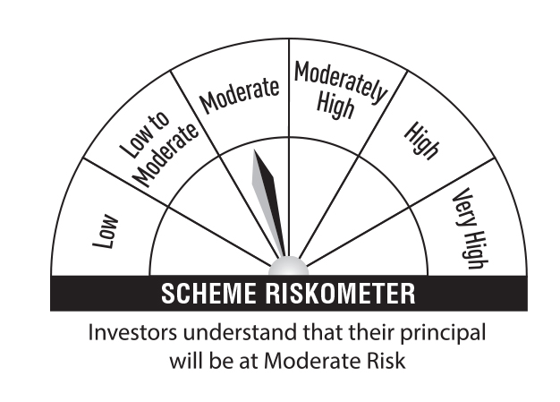 | 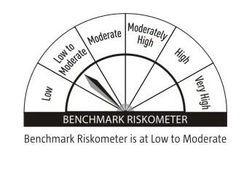 |  | Credit Risk → | Relatively Low (Class A) | Moderate (Class B) | Relatively High (Class C)
 | (a) Listed / awaiting listing on Stock Exchanges |  |  |  |  |  |  |  |  |  | Interest Rate Risk ↓
 | 7.77% National Housing Bank (02/04/2026) | INE557F08FP2 | CRISIL AAA | 2,000 | 2,007.80 | 8.45 | 7.44 |  |  |  | Relatively Low (Class I)
 | 8.85% Axis Bank Ltd (05/12/2024) ** | INE238A08351 | CRISIL AAA | 200 | 2,001.71 | 8.42 | 7.80
 | 7.60% REC Ltd (28/02/2026) ** | INE020B08EF4 | CRISIL AAA | 2,000 | 1,998.02 | 8.40 | 7.63 |  |  |  | Moderate (Class II)
 | 7.65% Indian Railway Finance Corporation Ltd (30/12/2032) ** | INE053F08221 | CRISIL AAA | 150 | 1,543.44 | 6.49 | 7.18
 | 8.44% HDFC Bank Ltd (28/12/2028) ** | INE040A08393 | CRISIL AAA | 150 | 1,543.41 | 6.49 | 7.60 |  |  |  | Relatively High (Class III) |  | B-III
 | 7.68% LIC Housing Finance Ltd (29/05/2034) ** | INE115A07QR5 | CRISIL AAA | 1,500 | 1,519.19 | 6.39 | 7.48
 | 7.35% NHPC Ltd (15/09/2026) ** | INE848E07AL0 | CARE AAA | 150 | 1,496.54 | 6.29 | 7.48 |  | Benchmark: CRISIL Banking and PSU Debt A-II Index
 | 7.59% Small Industries Development Bank Of India (10/02/2026) ** | INE556F08KG3 | CRISIL AAA | 1,500 | 1,496.34 | 6.29 | 7.75
 | 6.85% National Bank For Agriculture & Rural Development (21/03/2031) ** | INE261F08DA8 | ICRA AAA | 150 | 1,473.91 | 6.20 | 7.32
 | 6.50% Power Finance Corporation Ltd (17/09/2025) ** | INE134E08LD7 | CRISIL AAA | 100 | 989.35 | 4.16 | 7.67
 | 8.45% Indian Railway Finance Corporation Ltd (04/12/2028) ** | INE053F07AY7 | CRISIL AAA | 50 | 521.23 | 2.19 | 7.24
 | 7.68% Power Finance Corporation Ltd (15/07/2030) ** | INE134E08KR9 | CRISIL AAA | 50 | 509.51 | 2.14 | 7.26
 | Sub Total |  |  |  | 17,100.45 | 71.91
 | Total |  |  |  | 17,100.45 | 71.91
 | Money Market Instruments
 | Certificate of Deposit
 | Kotak Mahindra Bank Ltd (24/07/2025) ** # | INE237A161Y7 | CRISIL A1+ | 400 | 1,885.11 | 7.93 | 7.52
 | Sub Total |  |  |  | 1,885.11 | 7.93
 | Treasury Bill
 | 364 DTB (16-JAN-2025) | IN002023Z448 | Sovereign | 250,000 | 245.33 | 1.03 | 6.50
 | Sub Total |  |  |  | 245.33 | 1.03
 | Total |  |  |  | 2,130.44 | 8.96
 | Government Bonds
 | 7.04% GOI 2029 (03-JUN-2029) | IN0020240050 | Sovereign | 1,000,000 | 1,014.56 | 4.27 | 6.78
 | 7.30% GOI 2053 (19-JUN-2053) | IN0020230051 | Sovereign | 500,000 | 525.33 | 2.21 | 7.01
 | GOI FRB 2033 (22-SEP-2033) | IN0020200120 | Sovereign | 500,000 | 513.29 | 2.16 | 7.52
 | 7.10% GOI 2034 (08-APR-2034) | IN0020240019 | Sovereign | 500,000 | 512.15 | 2.15 | 6.86
 | Total |  |  |  | 2,565.33 | 10.79
 | Alternative Investment Fund
 | CORPORATE DEBT MARKET DEVELOPMENT FUND CLASS A2 | INF0RQ622028 | Alternative Investment Fund | 1,060 | 110.29 | 0.46 | 6.62
 | Total |  |  |  | 110.29 | 0.46
 | TREPS
 | TREPS |  |  |  | 1,106.77 | 4.66
 | Sub Total |  |  |  | 1,106.77 | 4.66
 | Total |  |  |  | 1,106.77 | 4.66
 | Net Receivables / (Payables) |  |  |  | 760.80 | 3.22
 | Grand Total |  |  |  | 23,774.08 | 100.00

 | ** Non Traded Security
 | # Unlisted Security

 | Modified Duration | 2.67

 | Annualised Portfolio YTM | 7.38%

 | Macaulay Duration | 2.83

 | Average Maturity Yrs | 3.86

 | Notes
 | (1) The provision made for Securities classified as below investment grade or default as of September,30 2024 is Rs Nil and its percentage to Net Asset Value is Nil.
 | (2) Plan/option wise per unit Net Asset Value are as follows:
 | Plan/Option |  | As on March,31 2024 | As on September,30 2024
150503 | Regular Plan - Growth Option |  | 10.9949 | 11.4287
150504 | Regular Plan - Idcw (Payout/Reinvestment) |  | 10.4570 | 10.6037
150505 | Direct Plan - Growth Option |  | 11.0473 | 11.5029
150507 | Direct Plan - Idcw (Payout/Reinvestment) |  | 10.5081 | 10.6649

 | (3) Details of Dividend declared per unit (In Rupees) during the Half Year ended are as follows: |  | Individuals/HUF | Others
150504 | Regular Plan - Idcw (Payout/Reinvestment) |  | 0.2600 | 0.2600
150507 | Direct Plan - Idcw (Payout/Reinvestment) |  | 0.2700 | 0.2700

 | (4) Total outstanding exposure in derivative instruments as on September,30 2024 is Nil.
 | (5) Total Market value of investments in Foreign Securities/American Depositary Receipts/Global Depositary Receipts as at September,30 2024 is Rs. Nil .
 | (6) Details of repo transaction in corporate debt securities for the month ended September,30 2024 is Nil.

